Example 1 Entry
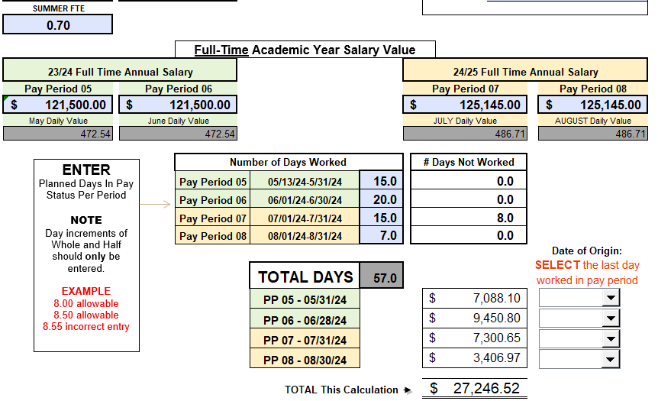
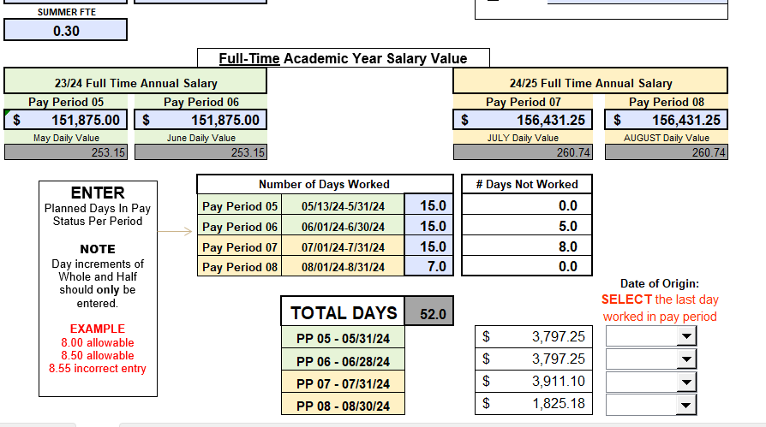
FERAP Summer Daily Rate Validation Tool |  |  |  |  |  |  |  |  |  |  |  |  |  |  |  | EXAMPLE 1: Faculty Summer will be on the Primary (non-FERAP) appointment for non-FERAP sources and on the FERAP appointment for FERAP approved sources per the professor (splitting by FTE across appointments and adjusting June days worked on FERAP)

 | Name: |  |  |  |  | EXAMPLE 1 |  |  |  |  | (Enter information in blue font)

 |  | May & June |  |  |  |  | SEEMLESS Summer Validation
 |  | PERNR | Appointment FTE | Monthly Base Salary | FERAP | FT Daily Rate | May |  |  |  |  | June
 |  |  |  | Wage Type 1000 | WT 1025 | May/June | FTE | Daily Rate | Days | Salary Charged |  | FTE | Daily Rate | Days | Salary Charged

 | Primary Appointment: | 10014197 | 0.70 | $9,450.00 |  | $675.05 | 0.70 | 472.54 | 15 | $7,088.10 |  | 0.70 | 472.54 | 20 | $9,450.80

 | FERAP Appointment: | 10077747 | 0.30 | $4,050.00 | $1,012.50 | $843.82 | 0.30 | 253.15 | 15 | $3,797.25 |  | 0.30 | 253.15 | 15 | $3,797.25
 |  |  |  |  |  |  |  |  |  |  |  |  |  | Total Salary Charged for May/June | $24,133.40

 |  | July & August |  |  |  |  | SEEMLESS Summer Validation
 |  | PERNR | Appointment FTE | Monthly Base Salary | FERAP | FT Daily Rate | July |  |  |  |  | August
 |  |  |  | WT 1000 | WT 1025 | July/August | FTE | Daily Rate | Days | Salary Charged |  | FTE | Daily Rate | Days | Salary Charged

 | Primary Appointment: | 10014197 | 0.70 | $9,733.50 |  | $695.31 | 0.70 | 486.71 | 15 | $7,300.65 |  | 0.70 | 486.71 | 7 | $3,406.97

 | FERAP Appointment: | 10077747 | 0.30 | $4,171.50 | $1,042.88 | $869.13 | 0.30 | 260.74 | 15 | $3,911.10 |  | 0.30 | 260.74 | 7 | $1,825.18
 |  |  |  |  |  |  |  |  |  |  |  |  |  | Total Salary Charged for June/July | $16,443.90
 |  | Example 1 - Merit estimated for this example (not actual)
 |  |  |  |  |  |  |  |  |  |  |  |  |  | Total Summer Salary Charged | $40,577.30

 |  | Primary Appt - ECP Basic Pay |  |  |  |  |  |  | FERAP Appt - ECP Basic Pay
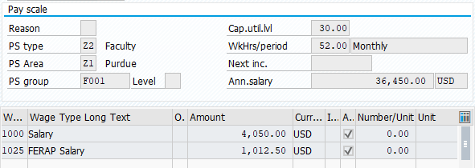

 |  | Primary Appt - ENTER IN SEEMLESS - Summer calculator provided below for reference only |  |  |  |  |  |  | FERAP Appt - ENTER IN SEEMLESS - Summer calculator provided below for reference only

Example 2 Entry
FERAP Summer Daily Rate Validation Tool |  |  |  |  |  |  |  |  |  |  |  |  |  |  | EXAMPLE 2: Faculty Summer 100% on FERAP approved accounts using FERAP appointment only

 | Name: |  |  |  |  | EXAMPLE 2 |  |  |  |  | (Enter information in blue font)

 |  | May & June |  |  |  |  | SEEMLESS Summer Validation
 |  | PERNR | Appointment FTE | Monthly Base Salary | FERAP | FT Daily Rate | May |  |  |  | June
 |  |  |  | Wage Type 1000 | WT 1025 | May/June | FTE | Daily Rate | Days | Salary Charged | FTE | Daily Rate | Days | Salary Charged

 | Primary Appointment: | 10014197 | 0.70 | $9,450.00 |  | $675.05 | 0.00 | 0.00 | 0 | $- | 0.00 | 0.00 | 0 | $-

 | FERAP Appointment: | 10077747 | 0.30 | $4,050.00 | $1,012.50 | $843.82 | 1.00 | 843.82 | 15 | $12,657.30 | 1.00 | 843.82 | 20 | $16,876.40
 |  |  |  |  |  |  |  |  |  |  |  |  | Total Salary Charged for May/June | $29,533.70

 |  | July & August |  |  |  |  | SEEMLESS Summer Validation
 |  | PERNR | Appointment FTE | Monthly Base Salary | FERAP | FT Daily Rate | July |  |  |  | August
 |  |  |  | WT 1000 | WT 1025 | July/August | FTE | Daily Rate | Days | Salary Charged | FTE | Daily Rate | Days | Salary Charged

 | Primary Appointment: | 10014197 | 0.70 | $9,733.50 |  | $695.31 | 0.00 | 0.00 | 0 | $- | 0.00 | 0.00 | 0 | $-

 | FERAP Appointment: | 10077747 | 0.30 | $4,171.50 | $1,042.88 | $869.13 | 1.00 | 869.13 | 23 | $19,989.99 | 1.00 | 869.13 | 7 | $6,083.91
 |  |  |  |  |  |  |  |  |  |  |  |  | Total Salary Charged for June/July | $26,073.90
 |  | Example 2 - Merit estimated for this example (not actual)
 |  |  |  |  |  |  |  |  |  |  |  |  | Total Summer Salary Charged | $55,607.60

 |  | Primary Appt - ECP Basic Pay |  |  |  |  |  |  | FERAP Appt - ECP Basic Pay

 |  | Primary Appt - ENTER IN SEEMLESS - Summer calculator provided below for reference only |  |  |  |  |  |  | FERAP Appt - ENTER IN SEEMLESS - Summer calculator provided below for reference only
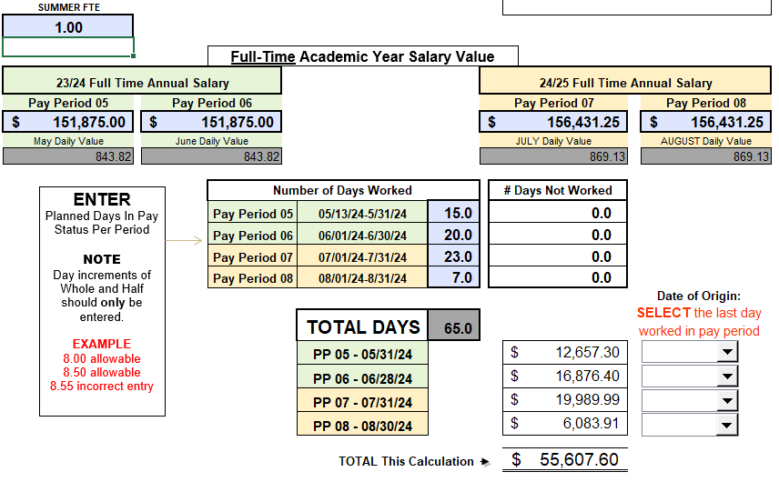

 |  | N/A - No Pay on Primary Appt

