Personal Monthly Budget
Create a Personal Monthly Budget in this worksheet. Helpful instructions on how to use this worksheet are in cells in this column. Arrow down to get started.
Title of this worksheet is in cell at right. Next instruction is in cell A5. |  | Warrick County SWCD Native Plant Sale

Projected Monthly Income label is in cell at right. Enter Income 1 in cell C5 and Extra Income in C6 to calculate Total monthly income in C7. Next instruction is in cell A7. | Contact Information |  |  |  | Payment Information
 |  |  |  |  | Payment Due at the time of order. Please make checks payable to: Warrick County SWCD

Projected Balance is auto calculated in cell H4, Actual Balance in H6, and Difference in H8. Next instruction is in cell A9.

Actual Monthly Income label is in cell at right. Enter Income 1 in cell C10 and Extra Income in C11 to calculate Total monthly income in C12. Next instruction is in cell A14. | Pre-order by March 16th, 2019 |  |  |  | Pick-Up Date: May 9th |  |  |  | Actual Balance (Actual income minus expenses)
 |  |  |  |  | Location: PLEASE CIRCLE ONE: | 4H Center | Castle HS
 | Native Plant Bundles |  |  |  | Vines, Shrubs, Trees |  |  |  | Difference (Actual minus projected)
 | Species | Price | Quantity | Total | Species | Price | Quantity | Total
 | Wet, Sunny Meadow Combo | $25.00 | 1.00 | $25.00 | Lead Plant | $3.00
 | Dry, Sunny Tall Prairie Combo | $25.00 | 1.00 | $25.00 | Woolly Pipvine | $3.00
 | Dry, Sunny Short Prairie Combo | $25.00 |  |  | Trumpet Creeper | $3.00
 | Dry, Shade Woodland Garden | $25.00 |  |  | Wild Hydrangea | $3.00
 | Wet, Shade Woodland Garden | $25.00 | 1.00 | $25.00 | Shrubby St. Johnswort | $3.00
 | Hummingbird Combo | $25.00
 | Buttefly/Bee Combo | $25.00 |  |  | Subtotal |  |  | $0.00
 | Monarch Waystation Combo | $90.00 |  |  | Forbs
 | * Specific plant list and recommended planting design for each combination can be found in the native plant sale booklet* |  |  |  | Name | Price | Quantity | Total
 | Subtotal |  |  | $75.00 | Blue Star Amsonia | $3.00
 | Grasses, Sedges, Rushes |  |  |  | Wild Columbine | $3.00
 | Name | Price | Quantity | Total | Green Dragon | $3.00
 | Big Bluestem | $3.00 |  |  | Tall Green Milkweed | $3.00
 | Sideoats Grama | $3.00 |  |  | Swamp Milkweed | $3.00
 | Fox Sedge | $3.00 |  |  | Common Milkweed | $3.00
 | Gray's Sedge | $3.00 |  |  | Butterflyweed | $3.00
 | Sallow Sedge | $3.00 |  |  | Whorled Milkweed | $3.00
 | Northern Sea Oats | $3.00 |  |  | White Wild Indigo | $3.00
 | American Beak Grass | $3.00 |  |  | Blue False Indigo | $3.00 | 3.00 | $9.00
 | Canada Wild Rye | $3.00 |  |  | Hairy Wood Mint | $3.00
 | Bottlebrush Grass | $3.00 |  |  | Tall Bellflower | $3.00
 | Silky Wild Rye | $3.00 |  |  | Field Thistle | $3.00
 | Soft Rush | $3.00 |  |  | Tall Coreopsis | $3.00
 | Switchgrass | $3.00 |  |  | Illinois Bundleflower | $3.00
 | Silver Plume Grass | $3.00 |  |  | Purple Coneflower | $3.00 | 2.00 | $6.00
 | Little Bluestem | $3.00 |  |  | Rattlesnake Master | $3.00
 | Indian Grass | $3.00 |  |  | Common Boneset | $3.00
 | Prairie Dropseed | $3.00 |  |  | Late Boneset | $3.00
 |  |  |  |  | Spotted Joe Pye Weed | $3.00
 | Subtotal |  |  | $0.00 | **Forbs Continued on Back**

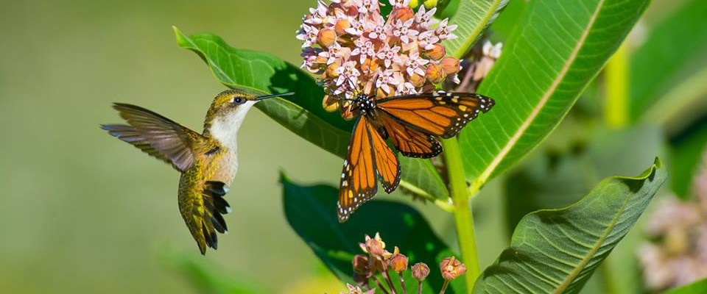
 | Forbs cont.
Enter details in Food table starting in cell at right and in Savings table starting in cell G42. Next instruction is in cell A50. | Name | Price | Quantity | Total
 | Sneezeweed | $3.00
 | Sawtooth Sunflower | $3.00
 | Downy Sunflower | $3.00
 | Jerusalem Artichoke | $3.00
 | False Sunflower | $3.00
 | Swamp Rose Mallow | $3.00
 | Rough Bazingstar | $3.00 |  |  | Category | Column1 | Column2 | Total
 | Cardinal Flower | $3.00 |  |  | Combinations
 | Great Blue Lobelia | $3.00 |  |  | Grasses, Sedges, Rushes
 | Monkey Flower | $3.00 |  |  | Forbs
 | Wild Bergemot | $3.00 |  |  | Vines, Shrubs, Trees
 | Spotted Bee Balm | $3.00 |  |  | Total Amount Due
 | Riddell's Goldenrod | $3.00
 | Stiff Goldenrod | $3.00 |  |  | OFFICE USE ONLY
 | Golden Ragwort | $3.00 |  |  | Date Paid | Payment Method | Check Number | Amount
 | Foxglove Beardstongue | $3.00 | 3.00 | $9.00
 | Obedient Plant | $3.00
 | Virginia Mountain Mint | $3.00
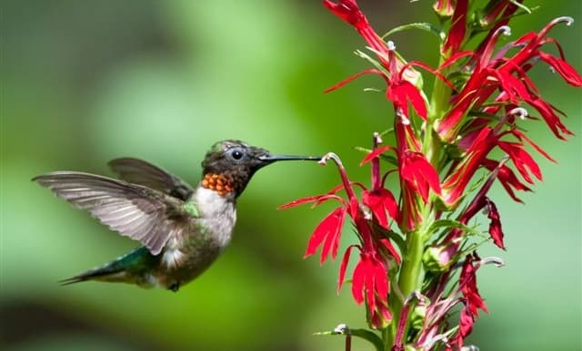
 | Yellow Coneflower | $3.00
 | Blackeyed Susan | $3.00
 | Cutleaf Coneflower | $3.00
 | Browneyed Susan | $3.00
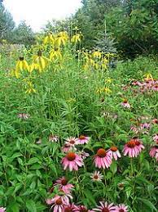
 | Blue Sage | $3.00
 | Lyre-leaved Sage | $3.00
 | Downy Skullcap | $3.00
 | Northern Wild Senna | $3.00
 | Maryland Senna | $3.00
 | Royal Catchfly | $3.00
 | Compass Plant | $3.00
 | Cup Plant | $3.00
 | Prairie Dock | $3.00
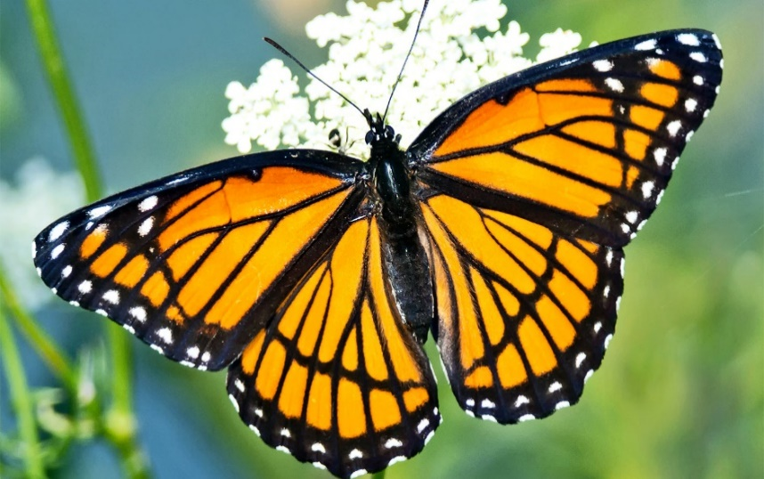
 | New England Aster | $3.00
 | Ohio Spiderwort | $3.00
 | Blue Verain | $3.00
 | Hoary Verain | $3.00
 | White Verain | $3.00
 | Wingstem | $3.00
 | Tall Ironweed | $3.00
 |  |  |  | $24.00

